Sheet1
serial number | Product Name | Picture | MOQ | product information | package | Price($)
1 | HIV1/2 testing kit | 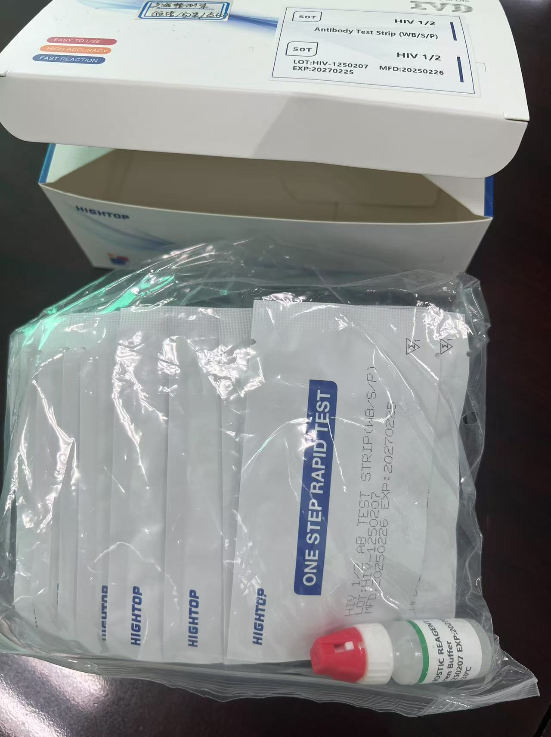 | 1000 | S/P/WB/strip/3.0mm | 50pc/box | 0.17/pc
1 | HIV1/2 testing kit |  | 1000 | S/P/WB/cassette/3.0mm | 25pc/box | 0.2/pc
2 | pan ldh hrp test | 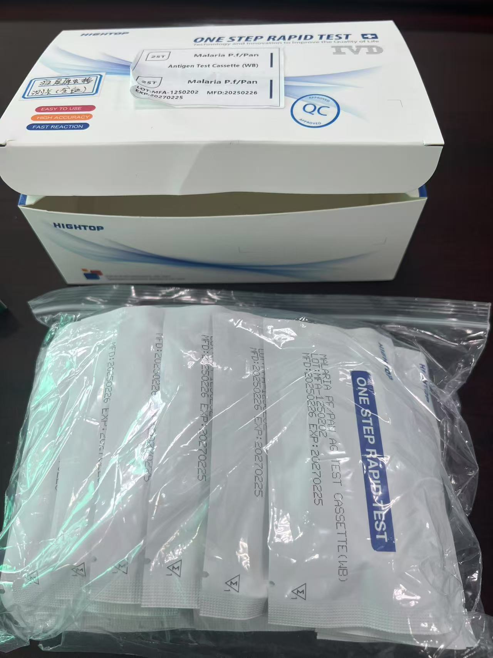 | 1000/50000 | WB/cassette/3.0mm | 25pc/box | 0.31/0.3/pc
3 | Isolation shoe cover | 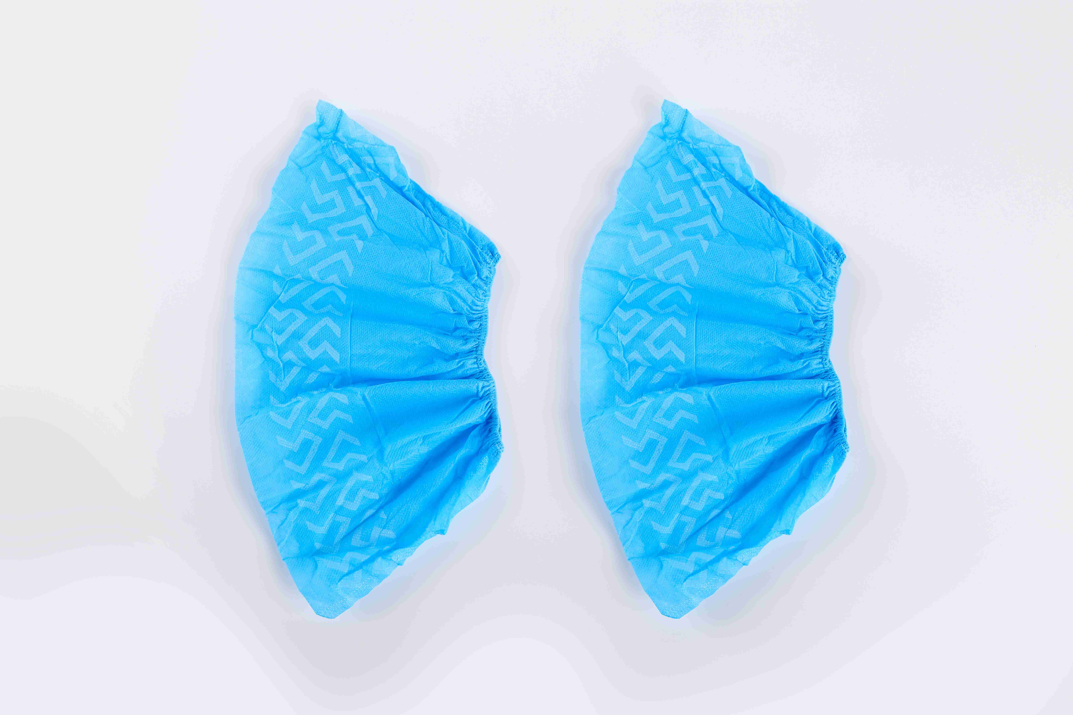 | 500000 | PP， Without printing, 25gsm, 15 * 40cm | 100pc/bag, 2000pc/box | 0.01/pc
 |  |  | 500000 | PP， Printed, 25gsm, 15 * 40cm | 100pc/bag, 2000pc/box | 0.01/pc
 |  | 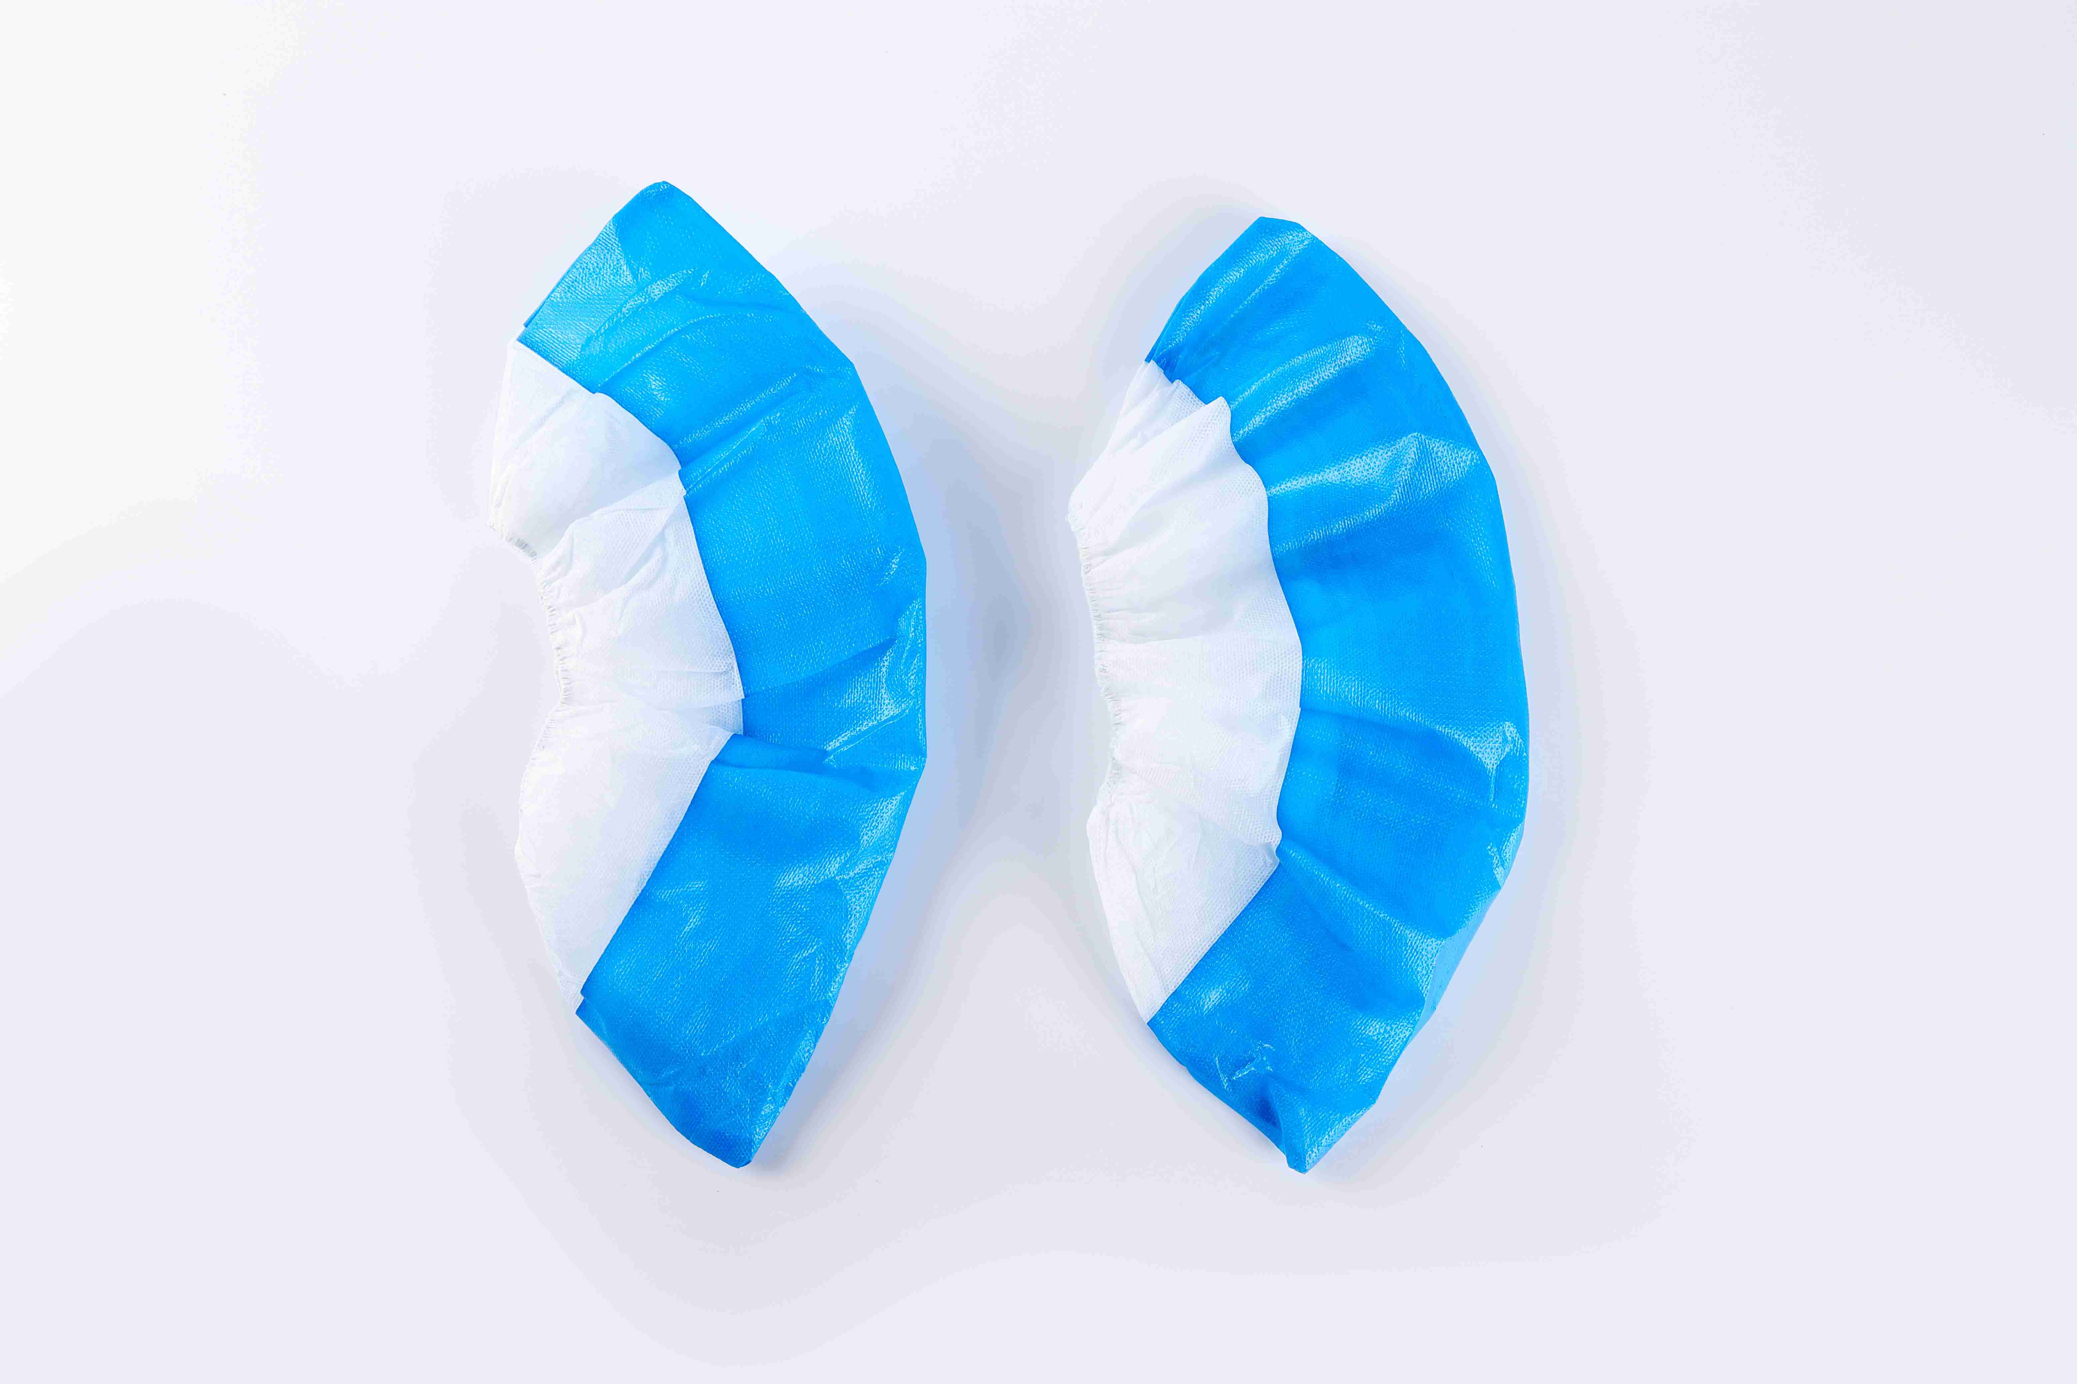 | 500000 | PP+CPE,9.4g/pc，17*42cm | 50pc/bag, 1000pc/box | 0.041/pc
 |  | 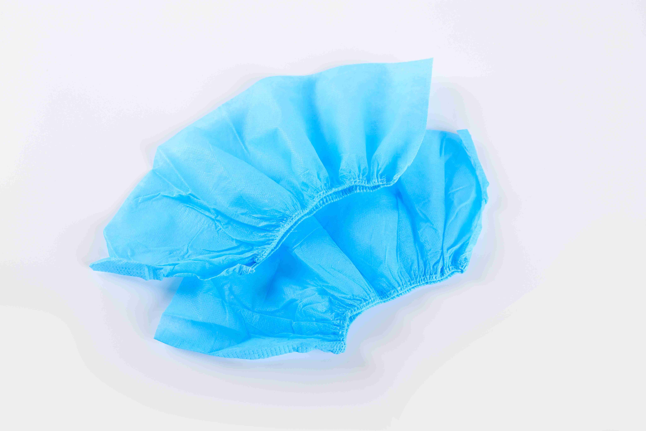 | 500000 | PP+PE, Film coated, 9.4g/pc, 17 * 45cm | 50pc/bag, 1000pc/box | 0.043/pc
4 | Disposable sterile surgical gloves |  | 3000000 | 3.5g | 100pc/box | 0.11/pc
5 | Disposable sterile examine gloves |  | 3000000 | 3.5g | 100pc/box | 0.024/pc
 |  |  | 3000000 | 2.5g | 100pc/box | 0.0143/pc
6 | Disposable laboratory/surgical gowns/surgical form |  | 50000 | PP non-woven fabric, 45gsm, XXL, Half zip, with cap, connected feet | 1pc/bag, 50pc/box | 0.669/pc
 |  | 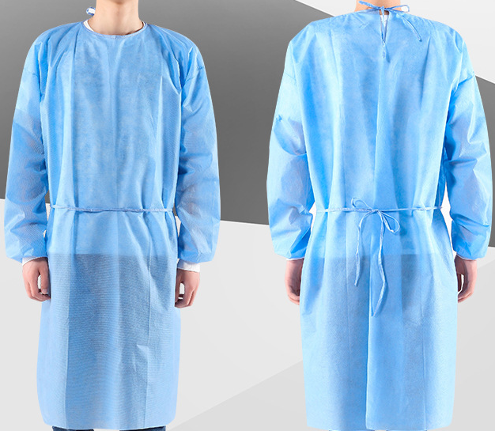 | 50000 | PP non-woven fabric, 16gsm, 120 * 140cm, elastic cuffs, collar, waist tie | 10pc/bag, 50pc/box | 0.16/pc
7 | disposable face mask | 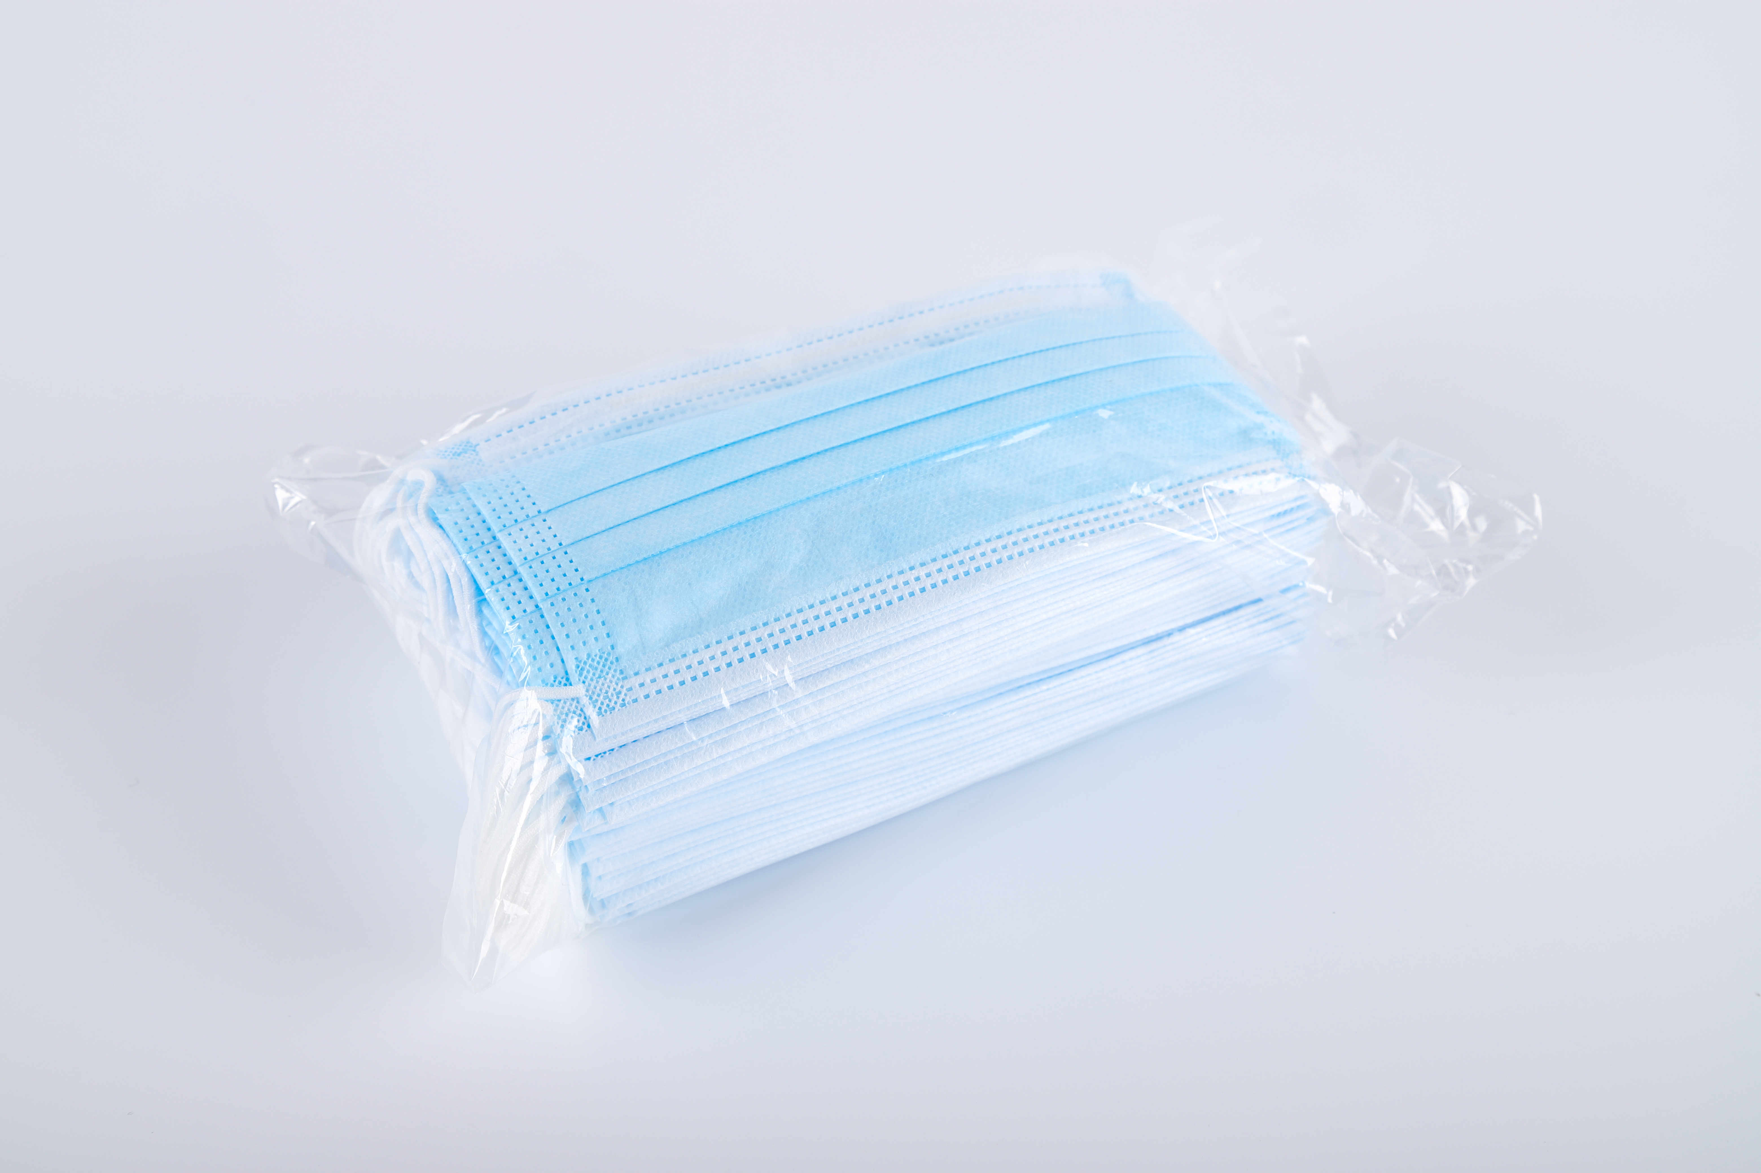 | 500000 | 17.5*9.5cm-3layers | 50pc/bag, 2000pc/box | 0.01/pc
 |  |  | 3000000 | non medical |  | 0.002/pc
 |  | 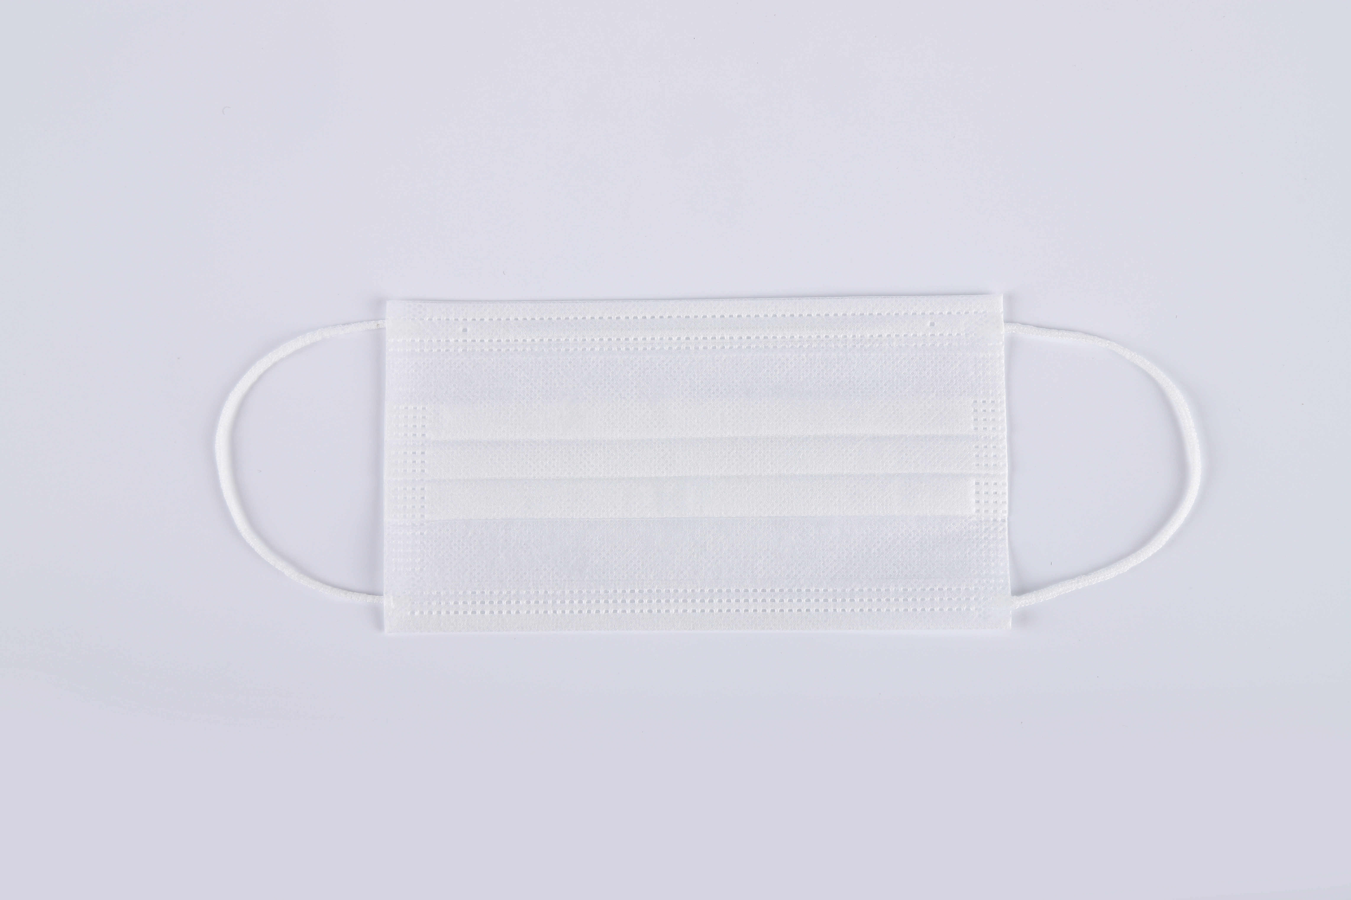 | 500000 | 17.5*9.5cm-2layers | 50pc/bag, 2000pc/box | 0.007/pc
8 | Disposable surgical cap | 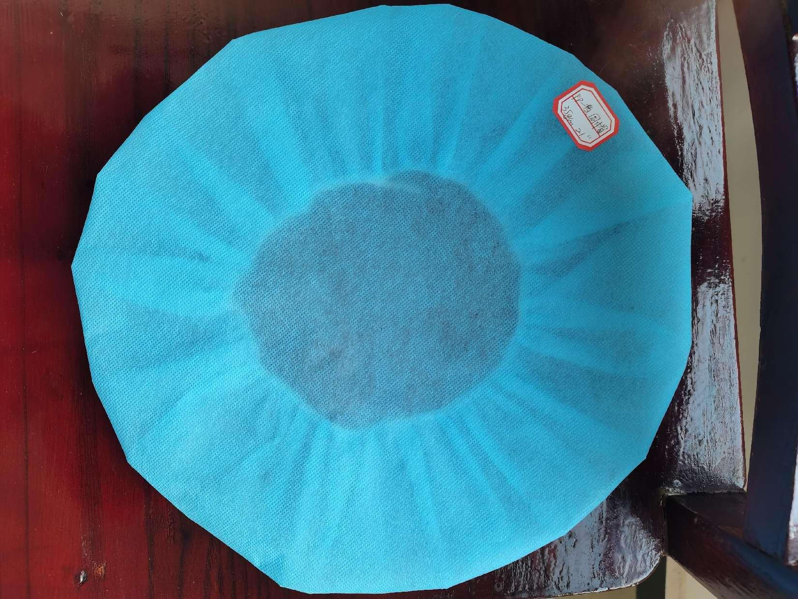 | 500000 | PP,35gsm,21" 10pc/pack | 10pc/bag, 2000pc/box | 0.04/pc
 |  | 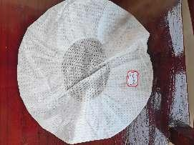 | 500000 | SMMS,20gsm,21" | 10pc/bag, 2000pc/box | 0.03/pc
 |  | 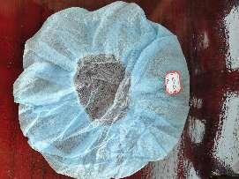 | 500000 | SS,16gsm,19" | 10pc/bag, 2000pc/box | 0.03/pc
 |  | 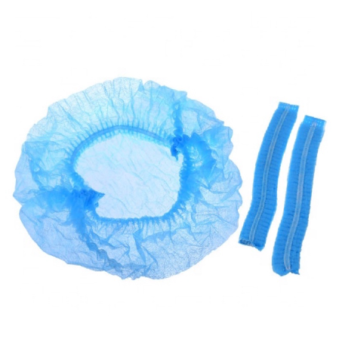 | 500000 | PP,9gsm, Single tendon, 18“ | 100pc/bag, 2000pc/box | 0.028/pc
9 | oximeter | 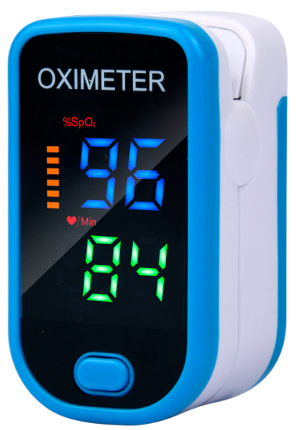 | 5000 | Power supply: 2 1.5V dry batteries, 2.5-3.2V Measurement range: 70% -995 Measurement accuracy:+2% within the range of 70-99%, less than or equal to 70%, accuracy undefined Resolution: Blood oxygen saturation+1% Measurement range: 35BPM-250BPM Measurement accuracy:+ 1BPM or+1% of the measured value (taking the maximum value) Operating temperature: 5-40 degrees Celsius Storage temperature:- 10°C-40°C Working environment temperature: 15% -80% Environmental temperature during storage: 10% -80% Atmospheric pressure: 70KPa-106KPa Display mode: digital tube display screen Power consumption: less than 35MA Automatic shutdown: No finger insertion for 8 seconds, automatic shutdown Measurement stability time: greater than or equal to 20 seconds |  | 5.5/pc
10 | thermometer | 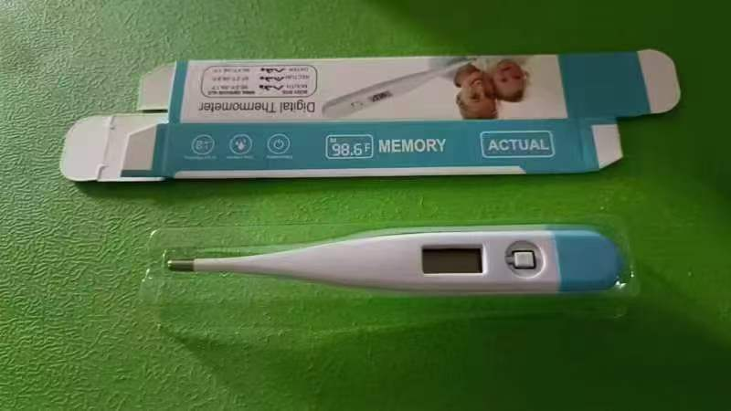 | 5000 |  |  | 0.7/pc
11 | Arm Blood Pressure Monitor | 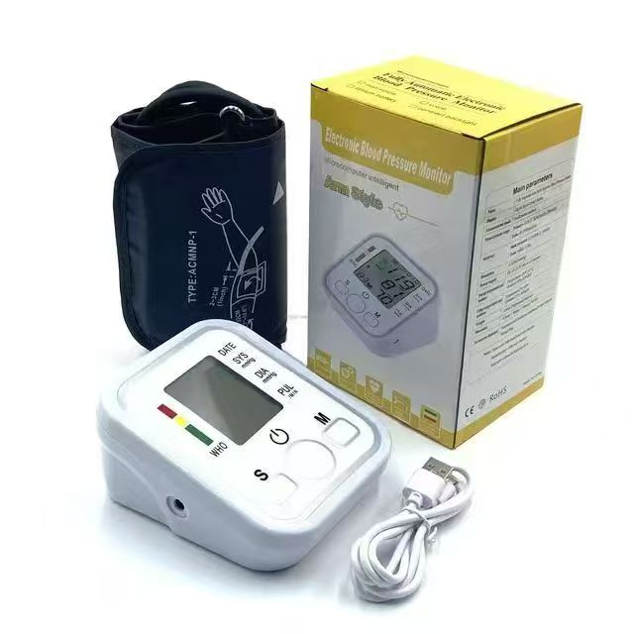 | 5000 |  |  | 4/pc
 | Wrist Blood Pressure Monitor | 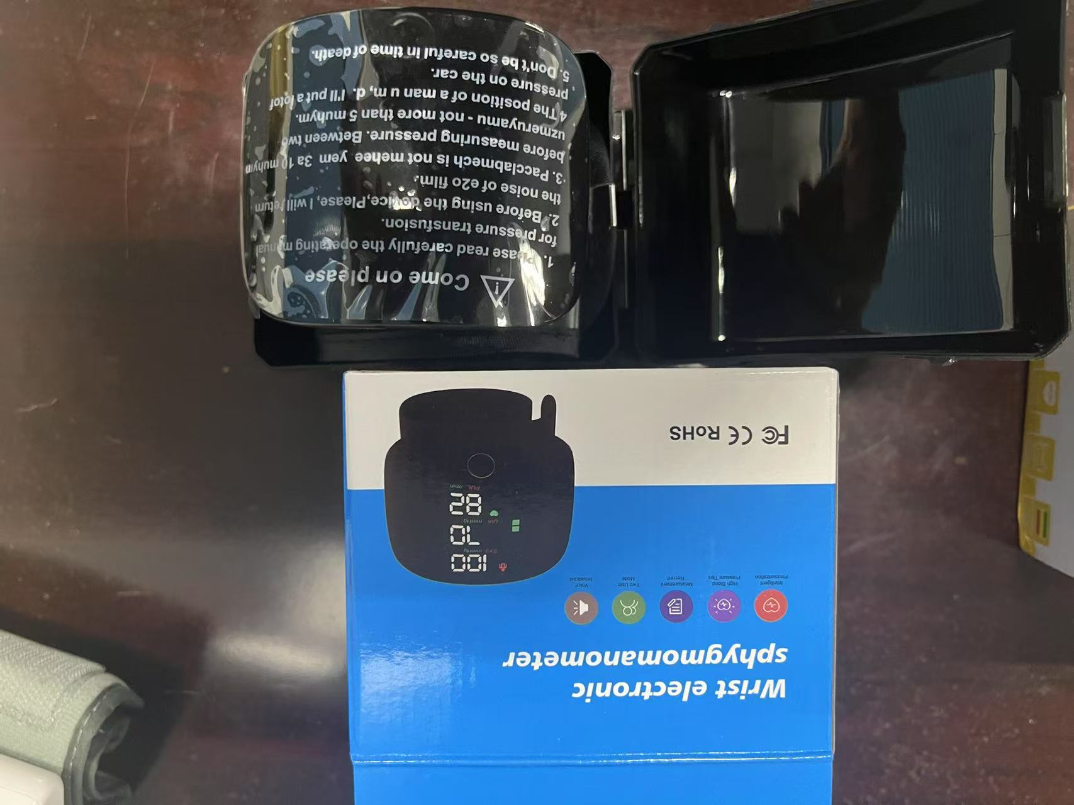 | 5000 |  |  | 5/pc
14 | Medical adhesive tape | 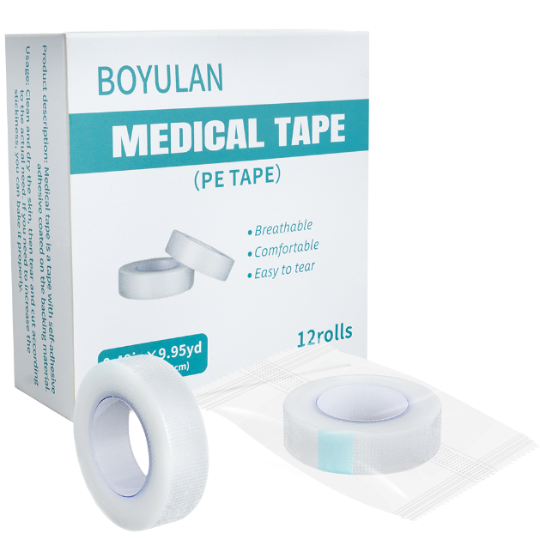 | 5000 | 1.25cm * 910cm/roll | 12 rolls/box | 1.4/box
15 | Cotton ball | 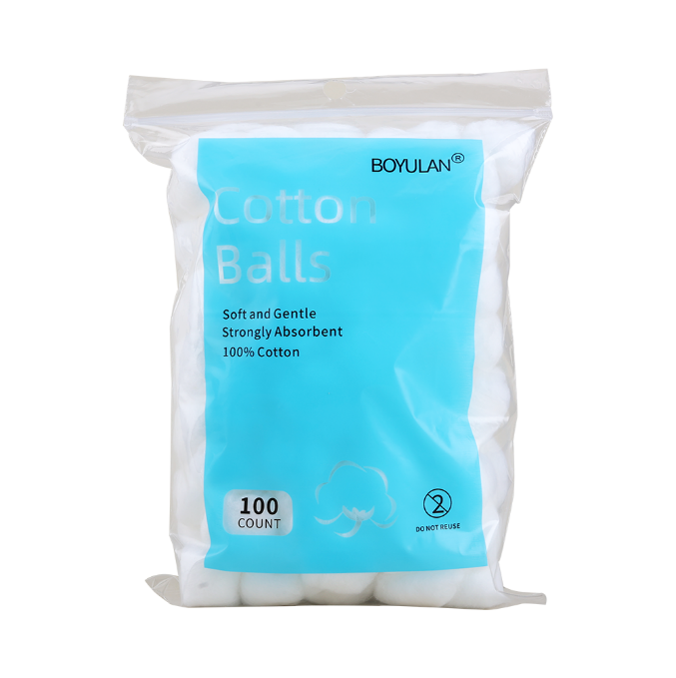 | 5000 | 0.3g/2.3-3cm | 100pc/pack 200pc/pack | 0.18/0.32/pack
 | Gauze rolls | 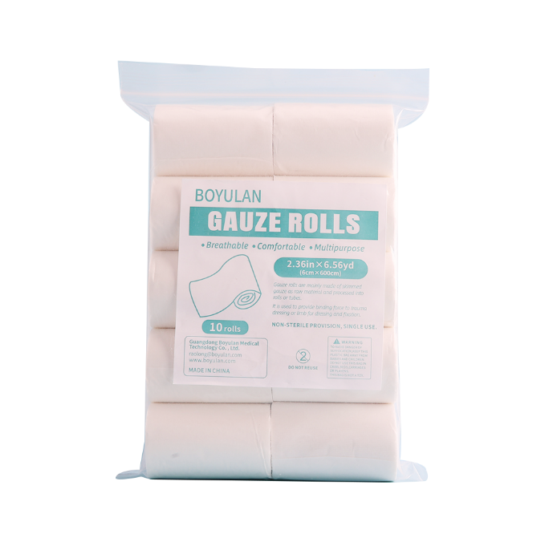 | 5000 | 6cm*600cm/roll | 10rolls/pack | 1.32/pack
 | Gauze rolls | 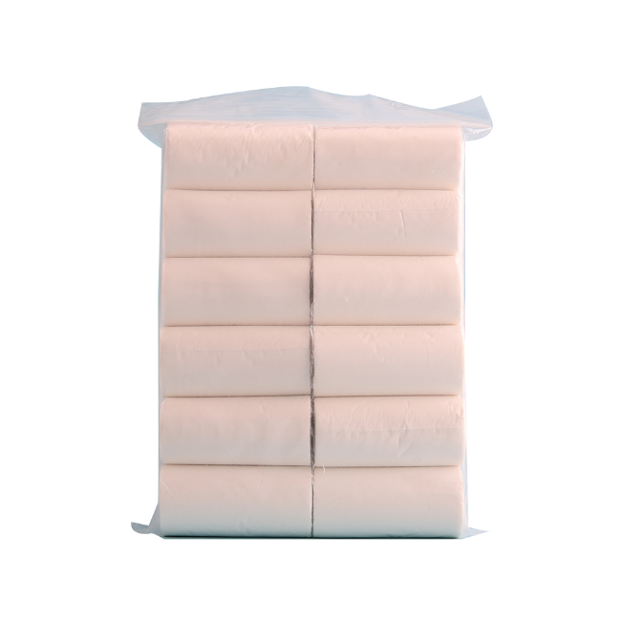 | 5000 | 8cm*600cm/roll | 12roll/pack | 2.14/pack
16 | Gauze rolls | 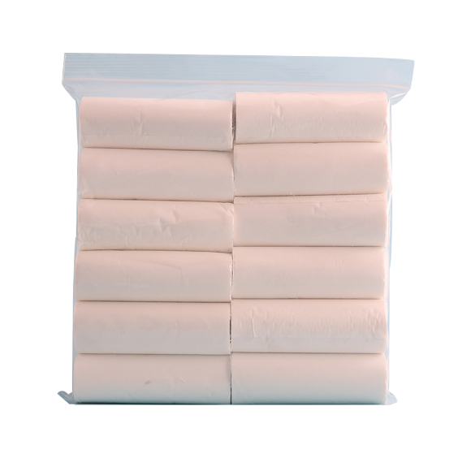 | 5000 | 10cm*450cm/roll | 12roll/pack | 2.22/pack
17 | Disposable leather knife | 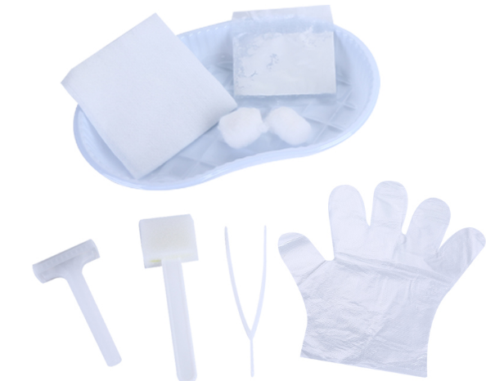 | 2000 |  |  | 0.12/pc
·18 | Syringe/Needle | 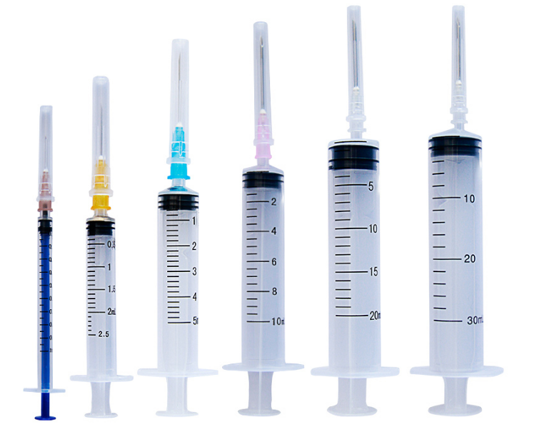 | 10000 | 1ml/3ml/5ml/10ml |  | 0.018/0.183/0.0197/0.0282/pc
19 | Iodine swab | 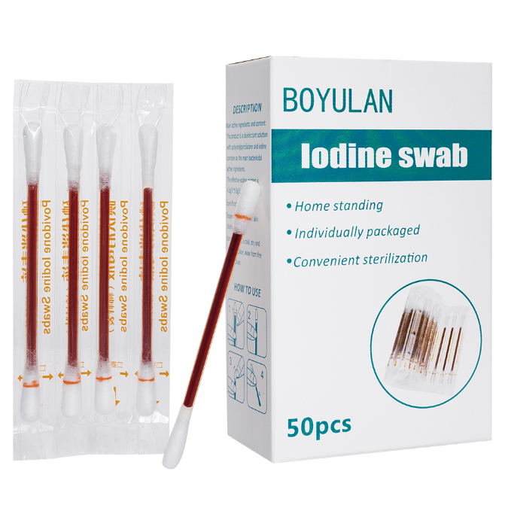 | 5000 | Cotton head diameter: 0.5cm Rod length: 8cm | 50pc/100pc/box | 0.64/1.3/box
20 | Alcohol swab | 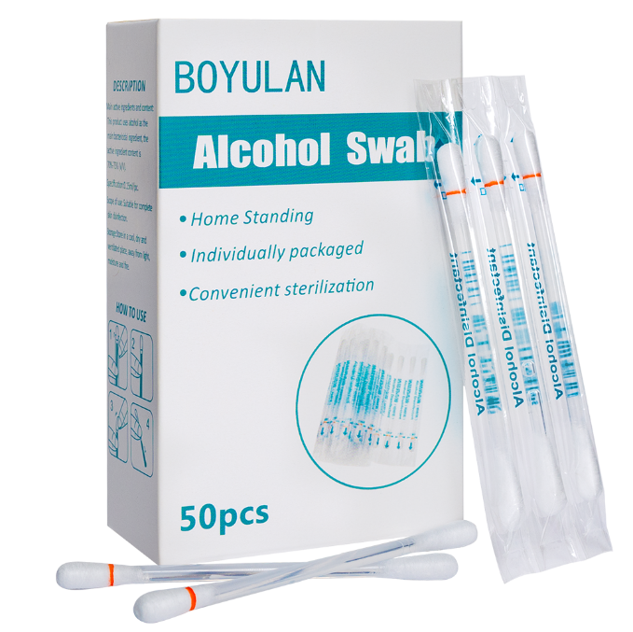 | 5000 | Cotton head diameter: 0.5cm Rod length: 8cm | 50pc/100pc/box | 0.77/1.37/box
21 | Elastic bandage | 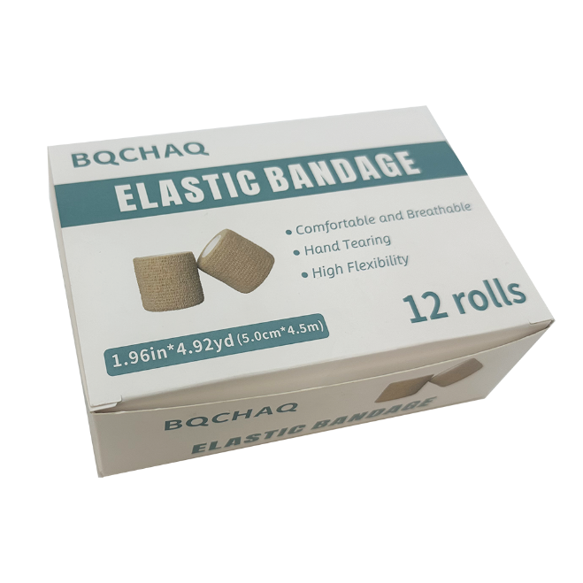 | 5000 | 5cm * 450cm/roll | 12 rolls/box | 2.3/box
22 | Medical antipyretic patches | 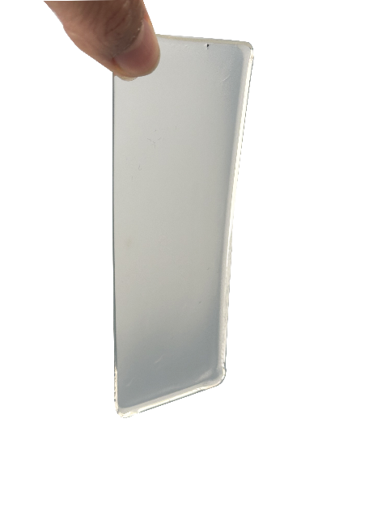 | 5000 | 5cm*12cm | 2pc/box | 0.017/pc
23 | Exergen | 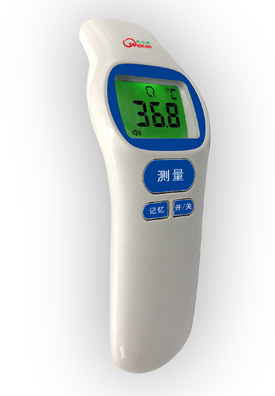 | 5000 |  |  | 4.5/pc
21 | Ear thermometer |  | 5000 |  |  | 6/pc
24 | Medical cotton swab | 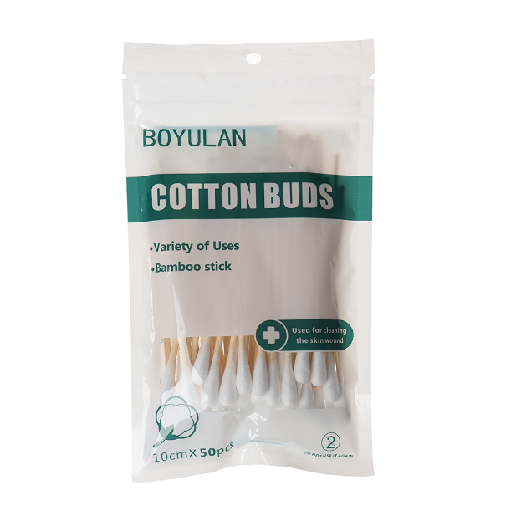 | 5000 | Single head bamboo stick 10cm | 50 sticks/bag | 0.07/bag
 |  | 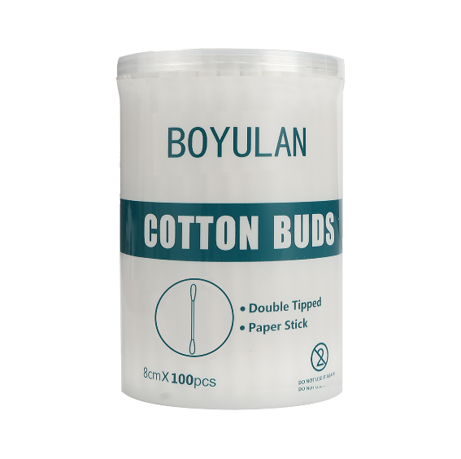 | 5000 | Paper stick double headed 8cm | 100 sticks/bucket | 0.23/bucket
 |  | 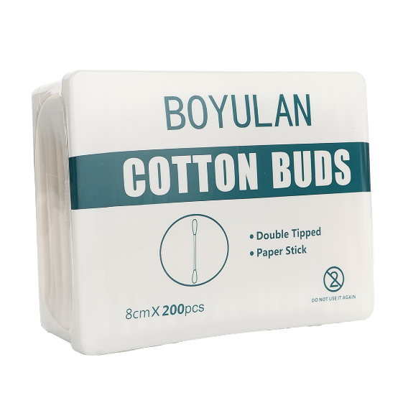 | 5000 | Paper stick double headed 8cm | 100 sticks/bucket | 0.41/bucket
25 | tongue depressor | 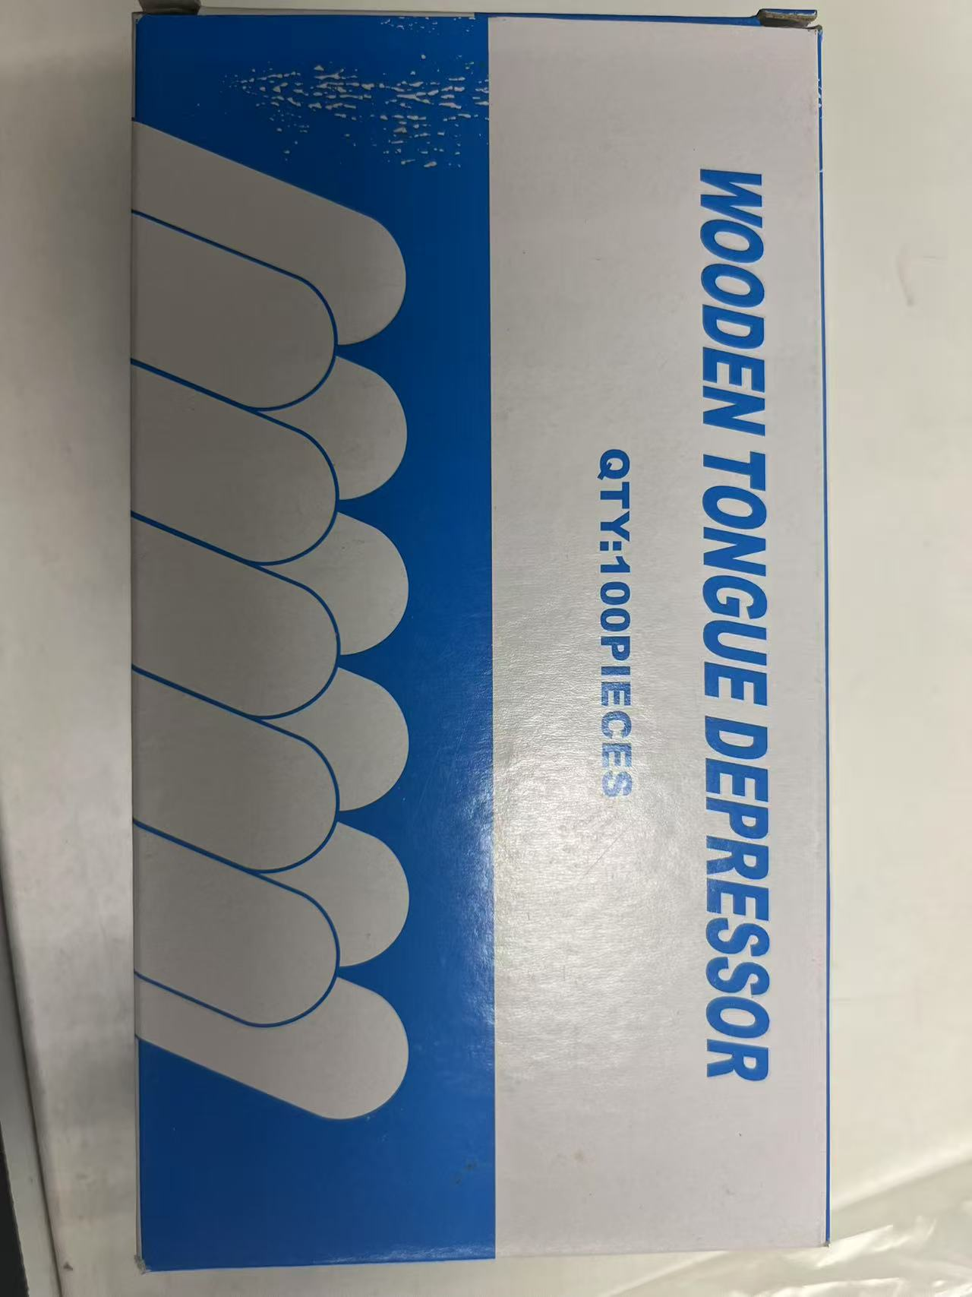 | 100000 | 100pc/box |  | 0.014/pc
26 | Medical isolation mask | 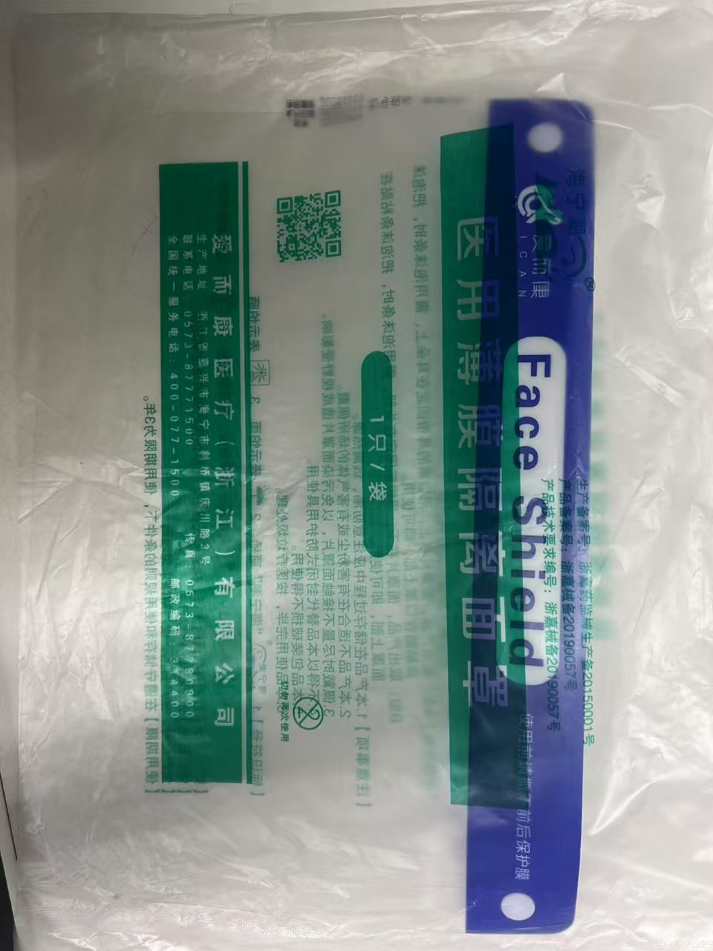 | 10000 |  |  | 0.163/pc
27 | atomizer | 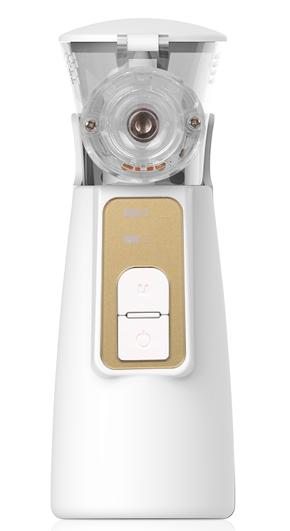 |  | Product purchase points: frequency scanning, waterless detection, cleaning mode, high and low gears, Ultrasonic frequency: 114KH+10% Atomization rate: greater than 0.2mL/m Water temperature of the medicine: less than 50 degrees Potion capacity: 12ML (usually 3-5ML is used) Fog size distribution: median particle size 3/5UM+15% Noise: less than 35dB (A) Drug residue: less than or equal to 0.5mL Working environment temperature range: 5C~40C Relative humidity range: less than or equal to 80% RH Atmospheric pressure: 70~106KPa |  | 7.6/pc
27 | Disposable foreskin cutter |  |  |  |  | 30/pc

